Handle_offer_sent Daag failure
When offer_sent daag fails
1 | Pause daag that failed
2 | first get the sql from the failed daag "get source count" step

3 | you will observe that the volume is more than 2MM that cannot be handled by airflow daag
4 | query pdb _daas table start spiltting timefram that resullt with low volume ~<2MM

5 | Go to Git and open

6 | save the sql command that is present into your notepad
7 | start editing the git file with the lesser time frame choosen above for example after the edit the sql looks as below

 | save changes and create PR request

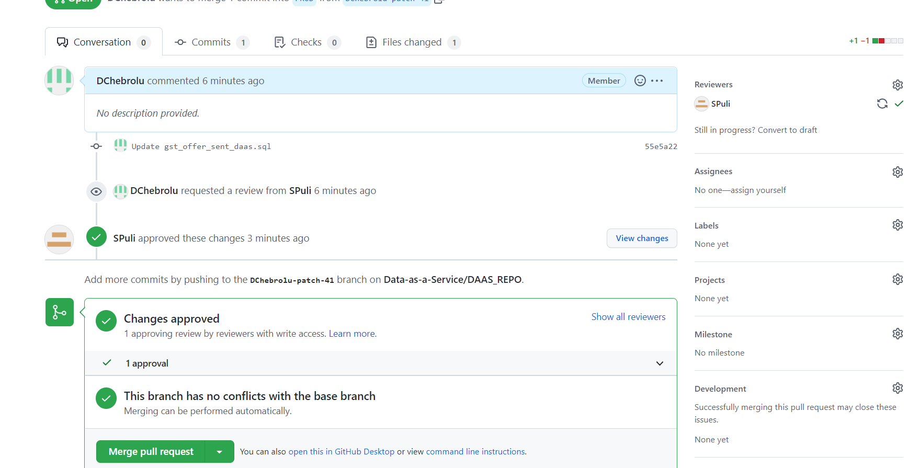

Submit Merge Pull request and confrim merge
deploy file using jenkins
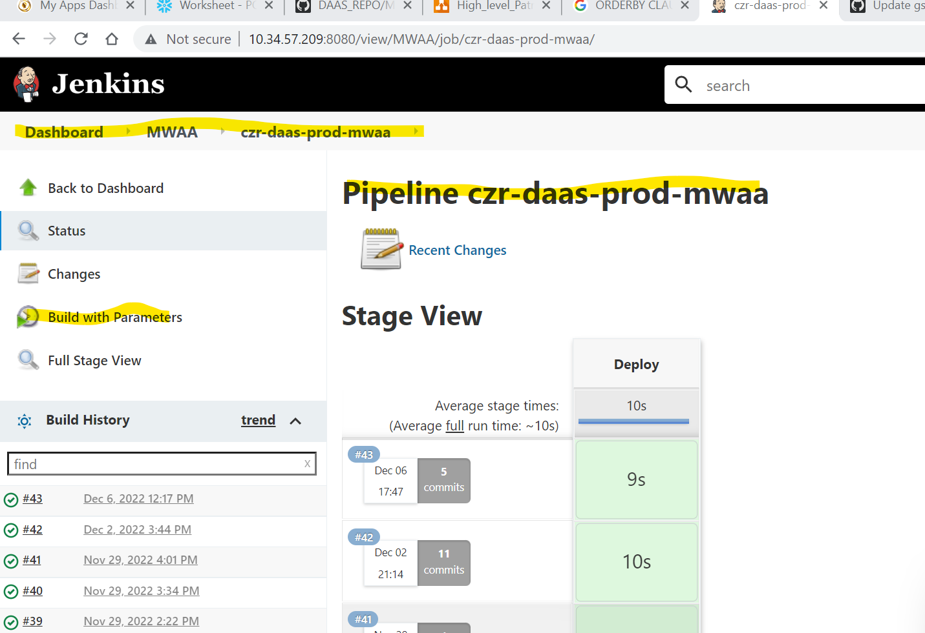

wait for 5 mins and resume Daag
monitor daag and repeate the same for rest of the timeframes until it is done
once we complete all the time slots, update the original sql in the git file and complete the build

